Add-in
Excel Gauge Chart Builder Add-in
 | Easily Create Beautiful Gauge Charts | Go to the Gauge Chart Template Worksheet >>>>>

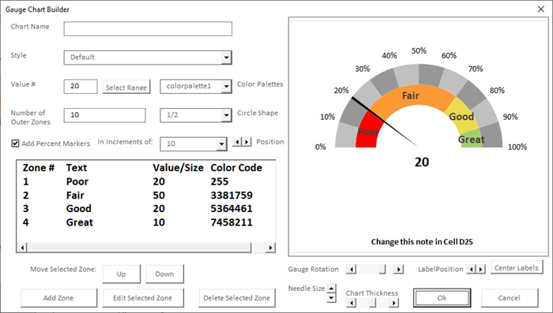

Learn More

 |  | Go to the Gauge Chart Template Worksheet >>>>>
 | Build Excel Gauge Charts in 3 Easy Steps

 | 1. Choose from 7 Distinct Gauge Chart Templates
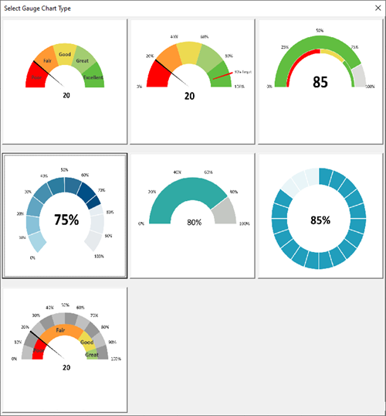

 | 2. Customize the Chart

 | 3. Insert the Chart and Edit if Necessary
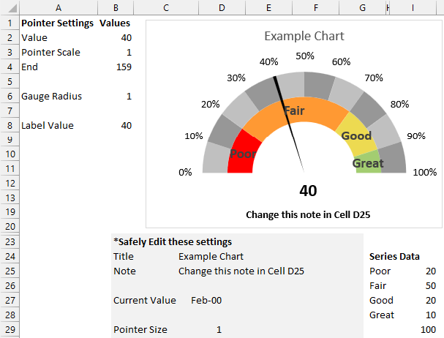

See Pricing

 |  | Go to the Gauge Chart Template Worksheet >>>>>

Template
Doughnut Chart |  | Pie Chart |  | Sales Report Data
Labels | Levels | Pointer Settings | Value | State | Revenue (in millions)
Poor | 20 | Value | 20 | Arizona | 20
Fair | 20 | Pointer | 1 | Texas | 63
Good | 20 | End | 179 | Wyoming | 34
Great | 20 |  |  | New York | 90
Excellent | 20 |  |  | Georgia | 77
Arizona
Total | 100

Learn About the Gauge Chart Builder Add-in

